Ajustada
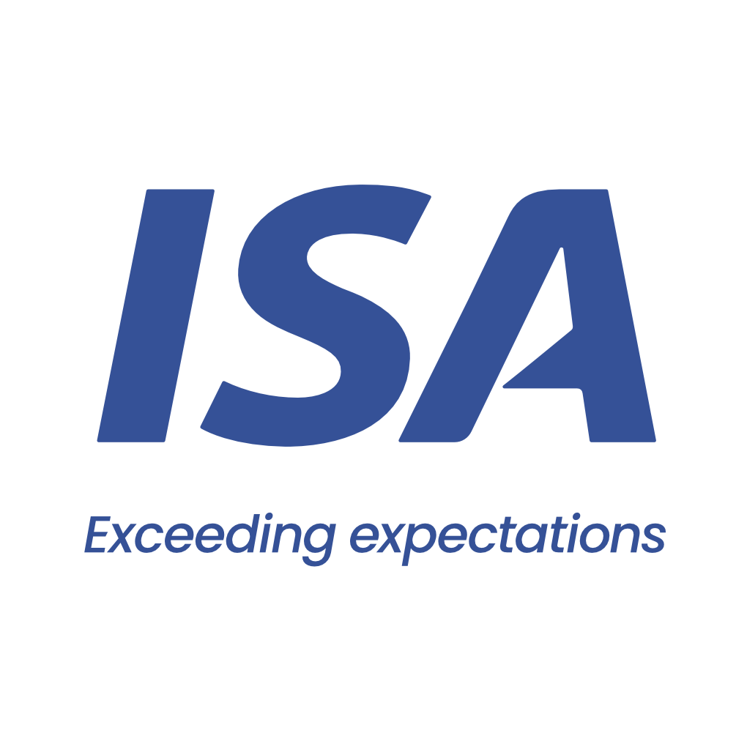

 |  | From 11-03-26 to 14-03-26 | From 11-03-26 to 14-03-26
 | Initial | Close to Real | Overtime
VESSEL | HAOYUE | HAOYUE | HAOYUE
PORT | SAN LORENZO | SAN LORENZO | SAN LORENZO
BERTH | ACA | ADM AGRO | ADM AGRO
PERMANENCY | 3 days | 3 days | 3 days
CURRENCY | USD | USD | USD
ITEM | AMOUNT | AMOUNT | AMOUNT
Port dues | 30,615 | 30,615 |  | Comentarios:
Entrance and light dues | 1,953 | 1,932 |  | Paraná entra con Fondeo
Toll dues | 117,738 | 117,748 |  | Port entra con Virado de anclas
River plate pilotage | 40,733 | 40,726 |  | Port sale con Cambio de rada
River parana pilotage | 43,546 | 43,675 |  | Overtime por cuenta de AMI
River parana pilotage anchorage maneuver | 2,590 | 2,279 |  | Completa en Bahia Blanca
Port pilotage | 13,112 | 15,236 |  | Diferencia con Advance usd 70.000
Launch services for clearence at roads | 575 | 1,150
Mooring & unmooring services | 3,300 | 3,300
Custom house expenses | 200 | 330 | 800
Custom house Permanence |  | 400
Migration expenses | 1,875 | 1,875
Sanitary dues and free practique | 597 | 482
Garbage compulsory inspection | 96 | 92
Mandatory holds inspection at roads | 1,350 | 1,812
Headclerk compulsory services | 4,488 | 3,822 | 549
Tax on credit/debit law 25.413 |  |  | 16
Agency fee | 2,000 | 2,000

TOTAL | 264,768 | 267,475 | 1,365

Our bank account
CITIBANK NA, NY BRANCH 111 WALL STREET / NEW YORK, 10043
ABA: 21000089 / SWIFT: CITIUS33 / ACCOUNT NO:36404074
BENEFICIARY: Independent Ship Agents SA
In order to avoid double income taxation on gross freight, which is equivalent to aproximate 3.5 pct, you must provide us with a tax affidavit. Please let us know if you need assitance on this.

Please note that this is a pro-forma disbursement account only. It is intended to be an estimate of the actual disbursement account and is for guidance purposes only. Whilst does take every care to ensure that the figures and information contained in the pro-forma disbursement account are as accurate as possible, the actual disbursement account may, and often does, for various reasons beyond our control, vary from the pro-forma disbursement account. You are required and liable to pay upon demand, the full amount described and shown in the actual disbursement account. This duty exists regardless of any difference betweeen the figures in this pro-forma disbursement account and the actual disbursement account. For the avoidance of doubt, this pro-forma disbursement account is not a contractual document.

